Fusion Initial
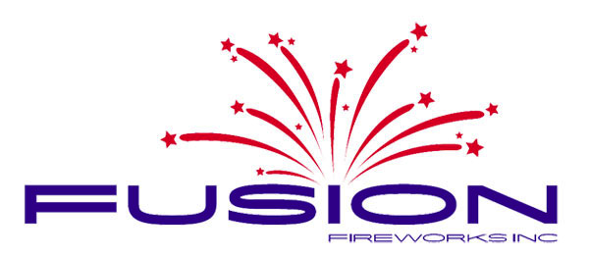 | FUSION FIREWORKS
 | NT ORDER FORM 2015
 | Email your completed order to sales@fusionfireworks.com.au
Name: | Email:
 | Phone:
ASSORTMENT PACKS | RRP | TOTAL UNITS | SUB-TOTAL
BUCKET OF FUN (NEW) | $30.00 |  | $-
BAD NEIGHBOUR (NEW) | $50.00 |  | $-
BACKYARD BLAST | $100.00 |  | $-
PYRO RAMPAGE | $150.00 |  | $-
TRUCK LOAD (NEW) | $200.00 |  | $-
AIR AND GROUND RAID (NEW WITH EXTRA 10 ITEMS) | $30.00 |  | $-
TERRITORY THUNDER (NEW) | $250.00 |  | $-
Subtotal |  | 0 | $-
PRO-CLASS ASSORTMENTS
PRO-CLASS CONTAINER LOAD NT'S No.1 SELLER | $400.00 |  | $-
FUSION PALLET LOAD | $200.00 |  | $-
FUSION PEACE KEEPERS MULTI-SHOT PACK | $60.00 |  | $-
PRO SERIES HEAVY WEIGHT | $300.00 |  | $-
Subtotal |  | 0 | $-
SINGLE SHOTS
FUSION PEACE KEEPERS SINGLE SHOT PACK | $30.00 |  | $-
LITTLE ANGRY'S (NEW) | $10.00 |  | $-
BLOW JOBS | $20.00 |  | $-
FUSION MASS DETONATION | $120.00 |  | $-
Subtotal |  | 0 | $-
100G MULTI-SHOTS
BALL BREAKER (QUAD BREAK) | $30.00 |  | $-
BLOWN | $40.00 |  | $-
MILE HIGH CLUB | $30.00 |  | $-
EXORCISM | $30.00 |  | $-
ALICE ARSENAL (FAN CAKE) | $30.00 |  | $-
ROPEHEADS LOCAL COMMOTION | $15.00 |  | $-
CATEGORY 5 (NEW) | $25.00 |  | $-
TNT DYNAMITE | $30.00 |  | $-
LORD OF WAR (FAN CAKE) | $30.00 |  | $-
AUSSIE SALUTE (FAN CAKE) | $30.00 |  | $-
EARTHQUAKE (FAN CAKE) | $30.00 |  | $-
CHERRY BOMB | $25.00 |  | $-
HELL FIRE NEW (HOT 100FM OFFICIAL FIREWORK) | $10.00 |  | $-
THIS MEANS WAR (NEW) | $10.00 |  | $-
LEAVE THE WORLD BEHIND (NEW) | $10.00 |  | $-
FUSION BASE JUMPERS (NEW) | $30.00 |  | $-
Subtotal |  | 0 | $-
NOVELTIES / FLYERS
DRAGON TAILS (CRACKER STYLE ROLL) | $15.00 |  | $-
GROUNDBLOOMS (12 PKTS OF 6) | $15.00 |  | $-
JUMPING JACK BRICK (48pkts) | $15.00 |  | $-
CRACKLING BALLS (12 pkts of 6 per inner) | $2.00 |  | $-
SMOKE GRENADE LARGE | $2.50 |  | $-
BUMBLE BEE (CARTON PRICE) | $2.50 |  | $-
666 SATANS FURY (NEW 2015 VERSION) | $10.00 |  | $-
SPARKLER PACK (48 PIECES) | $20.00 |  | $-
Subtotal |  | 0 | $-
ONLY FILL IN YELLOW BOXES | Total | 0 | $-

